Methodology
The Used Methodology:

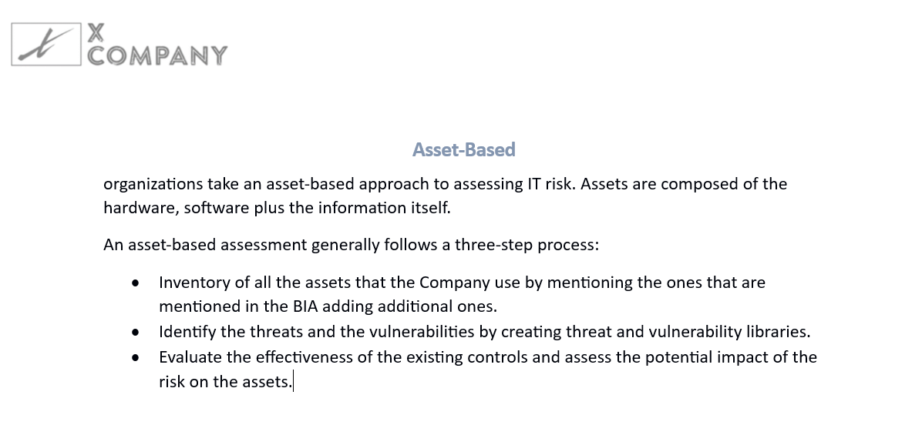

 | RISK= (likelihood * asset value)- ((likelihood * asset value) *control) + ((likelihood * asset value) *uncertainty).

KPI
Risk Management Key Performance Indicator -KPI- Dashboard

Top 10 Risks |  |  |  |  | Actions | Risk By Categories

Risk ID | Risk Discription | Asset | Inherit Risk | Residual Risk |  | Risk ID | Rsk Discription | Number of occurrence
R5 | Password Attack | Personal Data | 25.2 | 21.84 | 14 Risk that are exposed to the assets. | R1 | Social Engineering | 1
R6 | Malware Attack | Personal Data | 25.2 | 25.2 | 7 Risks That are above the risk tolerance. | R2 | Password Attack | 3
R7 | Unauthorized Access | Personal Data | 29.9 | 25.48 | 4 of the risks need control to be implemented | R3 | Forces Of Nature | S
R9 | Information Disclosure | Personal Data | 37.8 | 32.76 |  | R4 | Theft Of personal Data | S
R10 | Information Disclosure | Personal Data | 25.3 | 21.84 |  | R5 | Denial Of Service | S
R13 | Insider Threat | IP | 29.4 | 29.4 |  | R6 | Malware Attack | 3
R14 | Information Disclosure | Cloud services | 24.15 | 20.93 |  | R7 | Data Corruption | S
Top 10 Risks
 |  |  |  |  |  | R8 | IP Spoofing | S
 |  |  |  |  | Key Performance Indicator | R9 | Zero Day Threat | S
 |  |  |  |  |  | R10 | Unauthorized Access | 2
 |  |  |  |  |  | R11 | Insider Threat | 2
 |  |  |  |  | 1-Four Incidents are acceptable within the week | R12 | Information Disclosure | 3
 |  |  |  |  | 2-Maxuimum Acceptable Outage is between 2-24h based on the loss that results
 |  |  |  |  | 3-The Priority Is for the Critical,High then medium incidents to handle

Risk Drivers

Risk | Level of the Risk | The Amountof Risk
Password Attack | Moderate | 21.84
Malware Attack | High | 25.2
Unauthorized Access | High | 25.48
Information Disclosure | Critical | 32.76
Information Disclosure | Moderate | 21.84
Insider Threat | Critical | 29.4
Information Disclosure | Moderate | 20.93

